Sheet1
STEP | NG | NC | PC
s1 | 346781 | 4 | 1
s2 | 256718 | 5 | 0
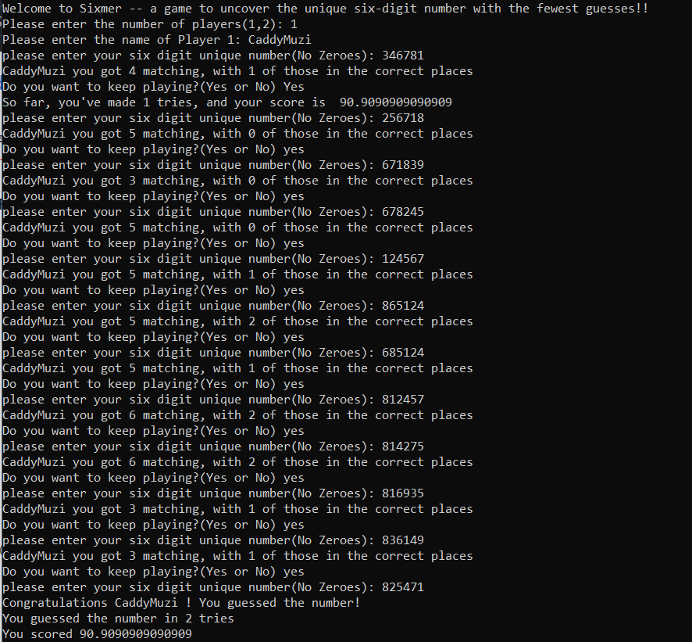
s3 | 671839 | 3 | 0 |  |  |  |  | (6718)=>3N
s4 | 678245 | 5 | 0 |  |  |  |  | (678)=>2N, 1=>N
s5 | 124567 | 5 | 1 |  |  |  |  | (67)=>1N, 8=>N
s6 | 865124 | 5 | 2 |  |  |  |  | (7)=>N
s7 | 685124 | 5 | 1 |  |  |  |  | (8)=>p1; (xx5124)=>p1
s8 | 812457 | 6 | 2
s9 | 814275 | 6 | 2
s10 | 816935 | 3 | 1
s11 | 836149 | 3 | 1 |  |  |  |  | (1)=>p6
s12 | 825471 | 6 | 6

 |  | p1 | p2 | p3 | p4 | p5 | p6
 | 7 (s6) | x-s7 | x-s3 | x-s2 | x-s11/s1 | 7-s11/s1 | x-s11
 | 8 (s5) | 8-s7 | x-s7 | x-s4 | x-s3 | x-s7 | x-s2
 | 1 (s4) | x-s7 | x-s10 | x-s3 | x-s11 | x-s2 | 1-s11
 | 2 (s3) | x-s2 | 2-s11 | x-s11 | x-s4 | x-s11 | x-s11
 | 4 (s3) | x-s7 | x-s11/s1 |  | 4-s11/s5 | x-s4 | x-s11
 | 5 (s3) | x-s7 | x-s2 | 5-s11/s5 |  | x-s11 | x-s4

 |  | 8 | 2 | 5 | 4 | 7 | 1

